Hoshin Standard Work
3
MLC Hoshin Yearly Update Process |  |  |  | 2016-11-23 | Doc Owner: | Sergent
 |  |  |  |  | Doc Number: | Bind-15
WHY: To outline and standardize the process to update our Hoshin plan on a yearly basis |  | Timing |  | 1 | Current Cycle Time: | na
6
1 | MLC Execuitive Board defines the long term vision/goals on the bottom of the Hoshin X Matrix | Complete by December 31st of current year | 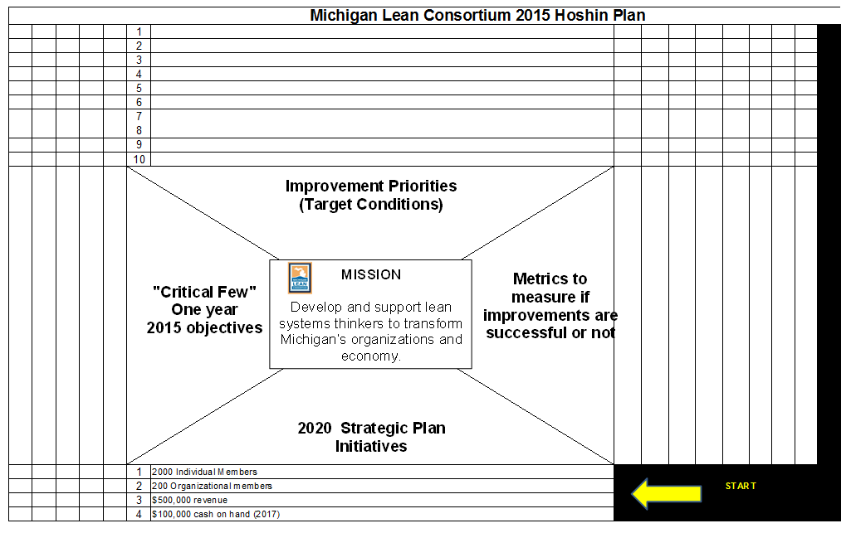 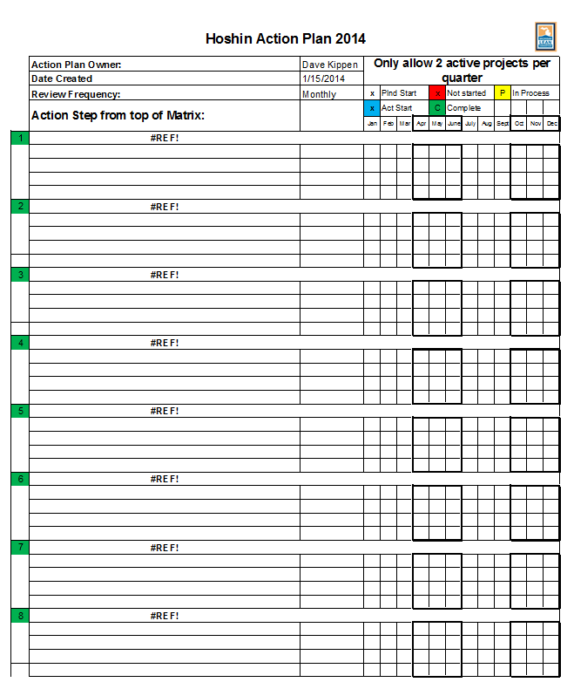
2 | These goals are communicated to the MLC working groups, which are: Events Committee; Projects Committee; President; Membership Liason; ??? | Complete by December 31st of current year
1
3 | MLC working grops independently or together will brainstorm what the major yearly goals will be to support the Long term vision goals | By Feb 1
4 | MLC working groups submit 1-2 key initiatives for their respective group to BOD for review | By Feb 1
6
5 | BOD reviews these submissions and puts together feedback for the support groups. This may be the "go ahead" or some kind of challenge to modify the initiatives in some way | By Feb 15
6 | MLC working groups either 1) modify goals and resubmit to BOD, or 2) Develop the goals that have been given approval and break them down into tasks, calendarize the tasks, and begin implementation | By Mar 1
7 | BOD reviews the key tasks as a standing BOD meeting agenda | Bi Monthly all year

~ Without standards we cannot agree on the "best way today", and we would not have solid ground to improve on tomorrow

Hoshin Matrix
2017 Tech & Social Media Hoshin Plan
Level 2
Improvement Priorities
 |  |  | X | X |  | Boost activity on Social Media |  |  | X | X | X | X |  |  |  |  |  |  | S |  | P
 |  |  |  | X |  | Create an Event Host Site for all Events |  | X |  |  |  |  |  | P |  |  |  |  | S |  | S
 |  |  | X | X |  | Add Webinar Capabilities to Event offering | X |  |  |  |  |  |  |  |  |  |  |  | S |  | S
2017 1-Year
Outcomes
MISSION
Develop and support lean systems thinkers to positively transform Michigan.
Tactical Initiatives
Metrics to measure if improvements are successful or not
Initiatives Standard Work/Guidelines: 1) Min 1/Max 3 links to each Outcome 2) Consider resources 3) Linked to budget
 | Move from Chair/Board-led to President-led strategic plan and operational plan. | Increase organizational members from 24 to 36 and individual membership from 169 to 254 | Increase the MLC networking and learning opportunities by 15% | Move from current technology to best-practice platform with ability to adapt to change. |  |  | Host 6 Webinars 2018 | 4.5 Average on 1-5 Scale on end of event surveys | FB - Host 6 'LIVE' Events 2018 | FB - Increase 28 Day Post engagement to 400 average | Create 4 Standard MLC Hashtags | Social Media Calendar Expanded to Twitter & Instagram | BOARD POLICY DEPLOYMENT TEAM RESOURCES P = Primary S = Secondary
Outcomes Standard Work/Guidelines: 1) Min 1/Max 3 links to each strategy 2) Consider resources 3) Linked to budget
Strategic Conditions Standard Work/Guidelines: 1) Based on learning, Hoshin refreshed Annually 2) Maximum 3 (to expect >80% success) 3) Mission first!
Targets to Improve
3-Year Strategic Plan Conditions (complete by 2020-12-31)
 |  |  |  |  |  |  |  |  |  |  |  |  | Gerald Clarke | Betsy Williams | Dan Vermeesch | Rob Pease | Tony DeCaria | Holly Plaga | Lauren Stewart | Jeff Bankowski | Brian DeVries | Lucy Young | Theresa Coleman-Kaiser
 | 4 | 3 | 2 | 1
 | ○ | ○ | ○ | ○ | 1 | The MLC will be recognized as the leading voice and the indispensable resource within the Michigan lean community
START & GO AROUND

